Sheet1
Gaming Laptop Name | Image | Link | Price | Specs | Description | Mini-Description | Manufacturer Link
ASUS TUF Gaming A15 FA506IHR, AMD Ryzen 5 4600H 3GHz, 8GB DDR4, 512GB PCIe SSD, NVIDIA GeForce GTX 1650, 15.6" Full HD IPS, Windows 11 Home Laptop - FA506IHR-HN019W | 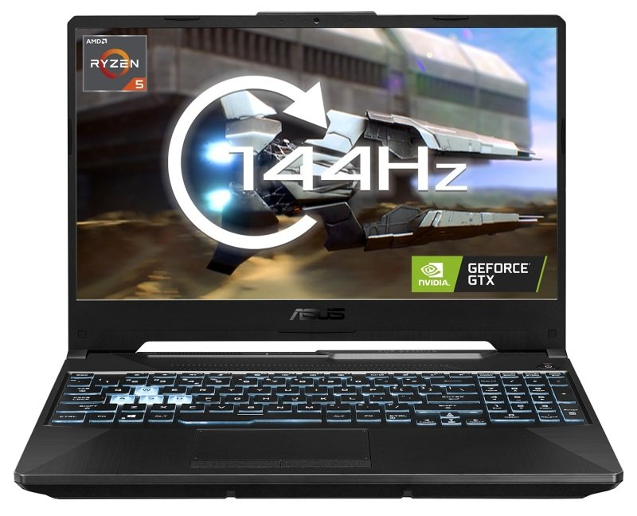 | https://www.ebuyer.com/1415904-asus-tuf-gaming-a15-fa506ihr-amd-ryzen-5-4600h-3ghz-8gb-ddr4-fa506ihr-hn019w | £598.98 | General Product Type Notebook Operating System Windows 11 Home Processor / Chipset CPU AMD Ryzen 5 4600H / 3 GHz Max Turbo Speed 4 GHz Number of Cores 6-core Cache 8 MB Memory RAM 8 GB (1 x 8 GB) Max RAM Supported 32 GB Technology DDR4 SDRAM Speed 3200 MHz Form Factor SO-DIMM 260-pin Storage Main Storage 512 GB SSD M.2 PCIe 3.0 - NVM Express (NVMe) Display Type 15.6" LCD Backlight Technology LED backlight Resolution 1920 x 1080 (Full HD) V-Sync Rate at Max Res. 144 Hz Widescreen Yes Image Aspect Ratio 16:9 Colour Gamut 47.34% Adobe RGB, 62.5% sRGB Features Anti-glare, Adaptive-Sync technology, IPS-level Audio & Video Graphics Processor NVIDIA GeForce GTX 1650 Video Memory 4 GB GDDR6 SDRAM Video System Features NVIDIA Optimus Gaming Yes Camera Yes - 720p Sound Stereo speakers, array microphone Compliant Standards DTS Sound Audio Features AI noise cancelling Input Type Keyboard, touchpad Keyboard Backlight Yes (RGB) Features Chiclet keyboard Communications Wireless 802.11a/b/g/n/ac/ax, Bluetooth 5.1 Network Interface Gigabit Ethernet Features Dual stream (2x2) AC Adapter Input AC 100-240 V (50/60 Hz) Connections & Expansion Interfaces Headphone/microphone combo jack ¦ HDMI ¦ 3 x USB 3.2 Gen 1 ¦ USB-C 3.2 Gen 2 ¦ LAN ¦ USB-C 3.2 Gen 1 (supports DisplayPort Alt Mode) Miscellaneous Security Firmware Trusted Platform Module (TPM) Security Chip Features System password Theft/Intrusion Protection Security lock slot (cable lock sold separately) Security Slot Type Kensington security slot Included Accessories Power adapter Dimensions & Weight Dimensions (WxDxH) 35.9 cm x 25.6 cm Weight 2.3 kg | The TUF Gaming A15 is a feature-rich Windows 11 gaming laptop that is designed for serious gaming and has the ability to carry you to success. On a 144Hz screen, the GeForce GTX 1650 GPU provides seamless gameplay, and the powerful AMD Ryzen 5 CPU is supported by enhanced cooling that boosts CPU performance while minimising noise. You can perform at your peak wherever you are thanks to a long-lasting battery and TUF's military-grade durability. | AMD Ryzen 5 4600H 3GHz 8GB DDR4, 512GB PCIe SSD NVIDIA GeForce GTX 1650 15.6 Full HD IPS
ASUS ROG Zephyrus G15 Ryzen 9 16GB 1TB SSD RTX 3080 15.6" FHD Win10 Home Gaming Laptop | 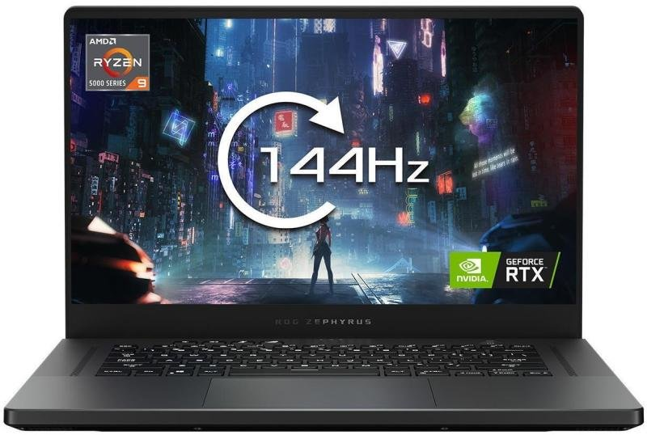 | https://www.ebuyer.com/1262323-asus-rog-zephyrus-g15-ryzen-9-16gb-1tb-ssd-rtx-3080-15-6-ga503qs-hn103t | £2,296.97 | General Product Type Notebook Operating System Windows 11 Home - English Processor / Chipset CPU AMD Ryzen 5 5600H / 3.3 GHz Max Turbo Speed 4.2 GHz Number of Cores 6-core Cache L3 - 16 MB Features Integrated memory controller Memory RAM 8 GB (1 x 8 GB) Max RAM Supported 16 GB Technology DDR4 SDRAM Speed 3200 MHz Rated Speed 3200 MHz Form Factor SO-DIMM 260-pin Slots Qty 2 Empty Slots 1 Storage Main Storage 512 GB SSD M.2 2242 PCIe 3.0 x4 - NVM Express (NVMe) Display Type 15.6" - IPS LCD Backlight Technology LED backlight Resolution 1920 x 1080 (Full HD) V-Sync Rate at Max Res. 120 Hz Widescreen Yes Image Aspect Ratio 16:9 Image Brightness 250 cd/m² Colour Gamut 45% NTSC Features Anti-glare, FreeSync Technology, 170° viewing angle, DC dimmer Audio & Video Multi-GPU Configuration 1 single GPU card / integrated GPU Graphics Processor NVIDIA GeForce RTX 3050 Ti / AMD Radeon Graphics Video Memory 4 GB GDDR6 SDRAM Max Monitors Supported 1 external monitor(s) Gaming Yes Camera Yes - 720p Camera Features Privacy shutter Sound Stereo speakers, dual array microphone Codec Realtek ALC3287 Compliant Standards High Definition Audio Audio Features Nahimic audio Input Type Keyboard, touchpad Keyboard Backlight Yes Keyboard Layout UK Numeric Keypad Yes Features Multi-touch touchpad, buttonless touchpad, white LED backlight Communications Wireless Bluetooth 5.0, 802.11a/b/g/n/ac/ax Wireless Controller M.2 Card Network Interface Gigabit Ethernet Features Dual stream (2x2) Battery Technology Lithium polymer Capacity 45 Wh Run Time Up to 5 hours AC Adapter Input AC 100-240 V (50/60 Hz) Output 170 Watt Connections & Expansion Interfaces 2 x USB 3.2 Gen 1 ¦ USB-C 3.2 Gen 1 ¦ HDMI ¦ Headphone/microphone combo jack ¦ LAN Software Software Included Microsoft Office (Trial) Miscellaneous Colour Shadow black Case Material Polycarbonate ABS (bottom), polycarbonate ABS (top) Surface Finish IMR Security Firmware Trusted Platfor | The flexible ROG Zephyrus G15 combines portability with power and offers Windows 10 gaming in a thin, 1.9kg chassis. With a GeForce RTX 3080 GPU and an AMD Ryzen 9 5900HS CPU, performance is swift and fluid. A gaming panel with FHD 144Hz gives you great speed to immerse you in the action. Six speakers deliver lush Dolby Atmos audio that surrounds you in sound to enhance your entertainment experience. | AMD Ryzen 5 5600H / 3.3 GHz 16 GB DDR4, 512GB PCIe SSD NVIDIA GeForce RTX 3080 15.6 Full HD IPS | https://rog.asus.com/uk/laptops/rog-zephyrus/2021-rog-zephyrus-g15-series/
Razer Blade 17 Gaming Laptop, Intel Core i7-12800H up to 4.8GHz, 32GB DDR5, 1TB NVMe SSD, 17.3 Full HD 360Hz, NVIDIA GeForce RTX 3080 Ti, Windows 11 Home | 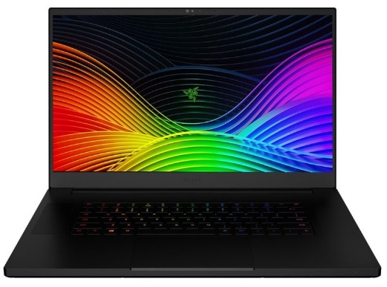 | https://www.ebuyer.com/1419696-razer-blade-17-gaming-laptop-intel-core-i7-12800h-up-to-4-8ghz-32gb-rz09-0423pwc3-r3w1 | £4,983.00 | ommunications Wireless Bluetooth 5.2, 802.11a/b/g/n/ac/ax (Wi-Fi 6E) Wireless Controller Killer Wi-Fi 6E AX1690 Network Interface 2.5 Gigabit Ethernet Compliant Standards IEEE 802.11az General Product Type Notebook Operating System Windows 11 Home Processor / Chipset CPU Intel Core i7 (12th Gen) 12800H / 2.4 GHz Max Turbo Speed 4.8 GHz Number of Cores 14-core Cache 24 MB Features Intel Turbo Boost Technology, Intel Platform Trust Technology (PTT) Memory RAM 32 GB (2 x 16 GB) Technology DDR5 SDRAM Speed 4800 MHz Rated Speed 4800 MHz Storage Main Storage 1 TB SSD M.2 PCIe 4.0 x4 - NVM Express (NVMe) Display Type 17.3" Resolution 1920 x 1080 (Full HD) V-Sync Rate at Max Res. 360 Hz Widescreen Yes Colour Gamut 100% sRGB Features Anti-glare, Factory Calibration, 3 ms response rate, 6 mm bezel Audio & Video Graphics Processor NVIDIA GeForce RTX 3080 Ti Video Memory 8 GB GDDR6 SDRAM Video System Features NVIDIA Battery Boost technology, NVIDIA WhisperMode, NVIDIA GPU Boost Technology Camera Yes - 1080p Camera Features IR camera, Windows Hello Sound Eight speakers, 2 multi-array microphones Compliant Standards THX Spatial Audio Input Type Keyboard, touchpad Keyboard Backlight Yes (RGB) Features Anti-ghosting, per key Chroma, precision glass touchpad Battery Capacity 82 Wh AC Adapter Output 280 Watt Connections & Expansion Slots 2 x M.2 (PCI Express 4.0 x4) (1 free) Interfaces 2 x USB-C (supports Thunderbolt 4) ¦ USB-C 3.2 Gen 2 (Power Delivery 3.0) ¦ 3 x USB 3.2 Gen 2 ¦ HDMI ¦ Headphone/microphone combo jack ¦ LAN Memory Card Reader Yes (SDXC UHS-II Card) Miscellaneous Colour Black Case Material Aluminum Surface Finish Anodising Security Firmware Trusted Platform Module (TPM 2.0) Security Chip Features Fingerprint-resistant coating, illuminated Razer logo, vapor chamber cooling system Theft/Intrusion Protection Security lock slot (cable lock sold separately) Security Slot Type Kensington security slot Included Accessor | The brand-new Razer Blade 17 features better thermals and is more powerful than ever. With the most recent NVIDIA graphics card and Intel processor. The Blade 17 enables gamers to able to play performance-intensive AAA games on the fly, stream videos live, or develop works of art. The RTX 3080 ti enables The Blade to play games at up 360hz, which any gamer will need want when playing any game, especially if they are at the competeitve level. | Intel Core i7-12800H up to 4.8GHz 32GB DDR5, 1TB NVMe SSD NVIDIA GeForce RTX 3080 Ti 17.3 Full HD 360Hz Display | https://www.razer.com/gb-en/gaming-laptops/Razer-Blade-17/RZ09-0423PWC3-R3W1?utm_source=google&utm_medium=google-shopping&utm_campaign=210101_RS_SYS_MID_UK_EGR-systems_TR&CID=210101_RS_SYS_MID_UK_EGR-systems_TR&gclid=Cj0KCQiA37KbBhDgARIsAIzce174WwKrkhYQj5Md2ir8pqsrEJRCbnew2ZIIH9a8Cb5ynmq-06OlbcQaAsRWEALw_wcB

non-Gaming Laptop Name | Image | Link | Price | Specs | Description | Mini-Description | Manufacturer Link
HP 255 G8 Ryzen 5 8GB 256GB SSD 15.6" Win10 Pro Laptop | 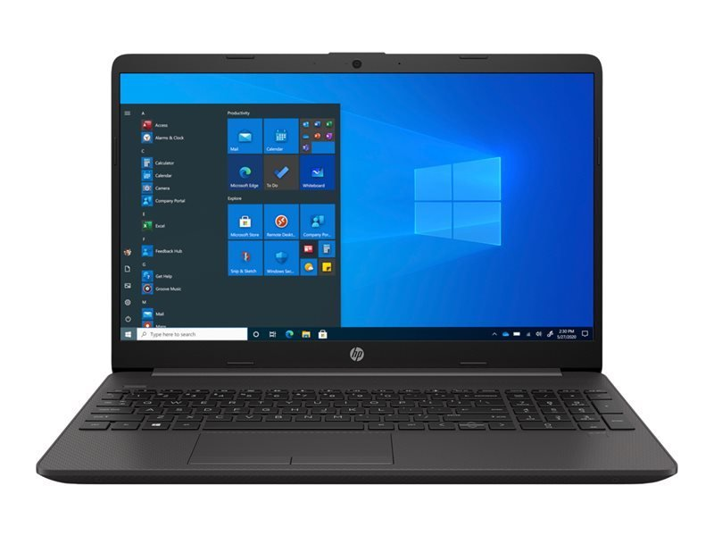 | https://www.ebuyer.com/1129158-hp-255-g8-ryzen-5-8gb-256gb-ssd-15-6-win10-pro-laptop-2e9j4ea-abu | £459.98 | Display Bezel Type Raised Features Anti-glare, narrow-bezel design Type 15.6" - IPS LCD Backlight Technology WLED backlight Resolution 1920 x 1080 (Full HD) Widescreen Yes Image Aspect Ratio 16:9 Image Brightness 250 cd/m² Colour Gamut 45% NTSC Memory RAM 8 GB (1 x 8 GB (non customer accessible / upgradeable)) Max RAM Supported 16 GB Technology DDR4 SDRAM - non-ECC Speed 2400 MHz / PC4-19200 Rated Speed 2400 MHz Form Factor SO-DIMM 260-pin Slots Qty 2 Empty Slots 1 Audio & Video Graphics Processor AMD Radeon Graphics Camera Yes - HD Video Resolutions 720p Sound Stereo speakers, dual array microphone Input Type Keyboard, touchpad Keyboard Layout UK Numeric Keypad Yes Features Multi-touch touchpad, touchpad with gesture support Communications Wireless Bluetooth 5.0, 802.11a/b/g/n/ac/ax Wireless Controller Intel Wi-Fi 6 AX 200 Network Interface Gigabit Ethernet Ethernet Controller Realtek RTL8111HSH-CG Features Dual stream (2x2) Battery Technology 3-cell Lithium Ion Capacity 41 Wh AC Adapter Input AC 120/230 V (50/60 Hz) Output 45 Watt, 19.5 V Connections & Expansion Interfaces 2 x USB 3.2 Gen 1 ¦ USB-C 3.2 Gen 1 ¦ HDMI ¦ LAN ¦ Headphone/microphone combo jack Memory Card Reader Yes (SD Card, SDHC Card, SDXC Card) Software Software Included HP Support Assistant, McAfee LiveSafe (30 days trial), HP Setup Integrated OOBE, HP Documentation, HP Audio Switch, HP JumpStart, Native Miracast, HP SSRM, Xerox DocuShare (90 days trial) Miscellaneous Colour Dark ash silver Security Firmware Trusted Platform Module (TPM 2.0) Security Chip Theft/Intrusion Protection Security lock slot (cable lock sold separately) Security Slot Type Kensington security slot Included Accessories Power adapter, HP Smart AC Adapter Compliant Standards UL, BSMI, CCC, FCC, ICES Localization Language: English / region: United Kingdom Dimensions & Weight Dimensions (WxDxH) 35.8 cm x 24.2 cm x 1.99 cm Weight 1.74 kg Environmental Standards ENERGY STAR | With a slim and light design, the HP 255 Laptop keeps up with mobile workstyles. The stunning display offers plenty of room for work or streaming video thanks to its slim border design and large screen-to-body ratio. This laptop has a USB Type-C data connector, an RJ-45 port, and an HDMI port so you can connect all of your accessories to it. It is also made to meet the needs of any company. This laptop features both built in Wi-Fi and Bluetooth 5. | AMD Ryzen 5 3500U 2.1GHz 8GB RAM + 256GB SSD AMD Radeon Vega 8 Graphics 15.6" FHD Display
Apple MacBook Air (2022), Apple M2 Chip 8-core CPU, 8GB RAM, 256GB HDD, 13.6" Liquid Retina, 8-core GPU, Apple OS - Starlight | 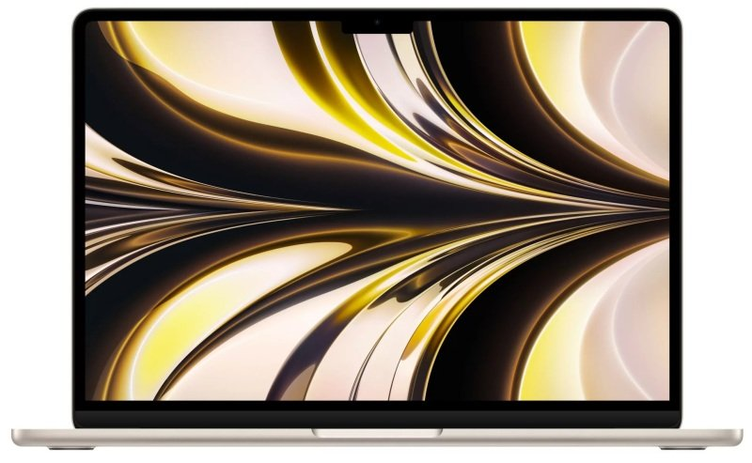 | https://www.ebuyer.com/1535894-apple-macbook-air-2022-apple-m2-chip-8-core-cpu-8gb-ram-256gb-mly13b-a | £1,170.78 | Main Features 16-core Neural Engine 13.6-inch Liquid Retina display with True Tone 1080p FaceTime HD camera MagSafe 3 charging port Two Thunderbolt / USB 4 ports Magic Keyboard with Touch ID Force Touch trackpad 30W USB-C Power Adapter | With even greater performance and power efficiency than the M1 processor, the M2 chip launches with the new generation of Apple silicon. Consequently, a stronger 8-core CPU allows you to complete more tasks faster. Utilize a 10-core GPU to produce eye-catching visuals and animations. Utilize the high-performance media engine to accommodate more streams of 4K and 8K ProRes video. With a battery life of up to 18 hours, you could continue to work or play all day long. | Apple M2 Chip 8-core CPU 8GB RAM, 256GB HDD 8-core GPU 13.6" Liquid Retina | https://www.apple.com/uk/shop/buy-mac/macbook-air/starlight-apple-m2-chip-with-8-core-cpu-and-8-core-gpu-256gb
Lenovo ThinkPad P15 Gen 2 Intel Core i7-11850H 16GB RAM 512GB NVMe M.2 SSD NVIDIA RTX A2000 4GB 15.6" Full HD Windows 10 Pro Mobile Workstation - 20YQ000YUK | 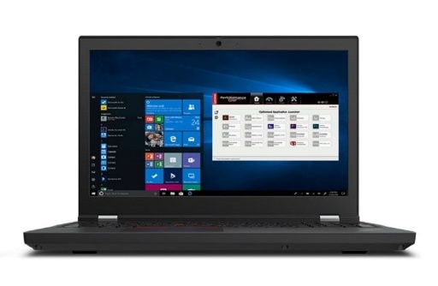 | https://www.ebuyer.com/1263895-lenovo-thinkpad-p15-gen-2-intel-core-i7-11850h-16gb-ram-512gb-nvme-20yq000yuk | £1,977.99 | Processor Intel Core i7 11th Gen RAM 16GB DDR4 (2 x 8GB) Storage 512GB M.2 NVMe SSD Screen Size / Resolution 15 inch | 1920 x 1080 (FHD) Operating System Windows 10 Pro Graphics NVIDIA RTX A2000 WIFI / BT Yes | Yes Connectivity HDMI | THUNDERBOLT / USB-4 | USB-C | USB 3.2 Touchscreen No Optical Drive None Webcam Yes Numeric Keypad Yes | With the ThinkPad P15, unlock ultimate power personalized to your needs. The P15 is designed for individuals who require the highest degree of power and performance. It is loaded with the most recent Intel Core processor and provides a significant NVIDIA RTX A2000 graphics capabilities. Lenovo's cutting-edge graphics card design offers total adaptability for your particular workflow because it was created with configurability and versatility in mind. Additionally, you can now take advantage of your system's full capacity with our Ultra Performance Mode thanks to a user-controlled performance boost for your trickiest tasks. The P15 provides the next-generation performance power users want. It has full HD display and PCIe Gen4 SSDs for quicker, cutting-edge storage solutions. | Intel Core i7 11th Gen 16GB DDR4 (2 x 8GB) 512GB M.2 NVMe SSD NVIDIA RTX A2000 15" FHD Display | https://www.lenovo.com/gb/en/p/laptops/thinkpad/thinkpadp/thinkpad-p15-gen-2-(15-inch-intel)/wmd00000487?orgRef=https%253A%252F%252Fwww.google.com%252F

Gaming Desktops | Image | Link | Price | Specs | Description | Mini-Description | Manufacturer Link
AlphaSync Onyx RTX 3060 Gaming Desktop PC, AMD Ryzen 5 3600, 8GB RAM, 500GB NVMe M.2 SSD, NVIDIA GeForce RTX 3060 12GB, No Operating System | 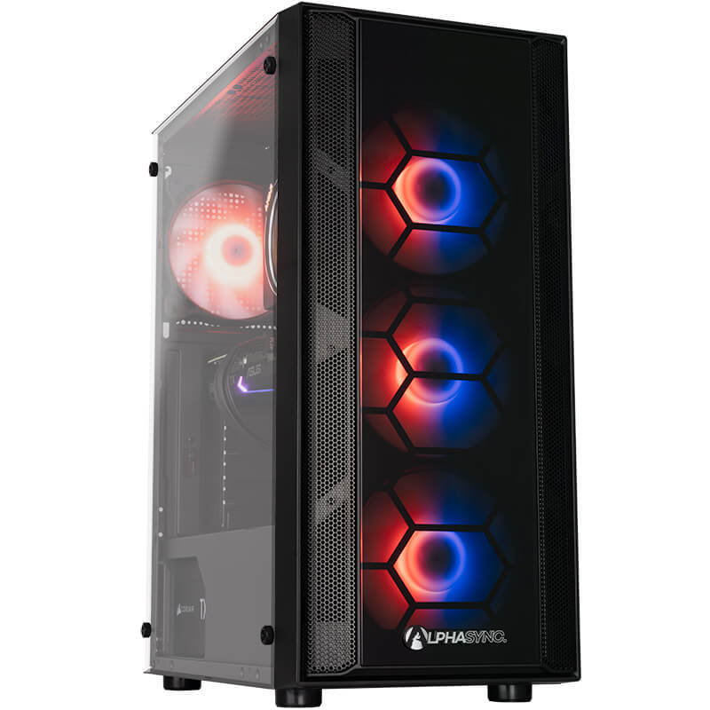 | https://www.ebuyer.com/1538325-alphasync-onyx-rtx-3060-gaming-desktop-pc-amd-ryzen-5-3600-8gb-noos-3060-onyx | £799.98 | Processor: AMD Ryzen 5 3600 (6 Cores up to 4.2GHz, 32MB Cache) Memory: 8GB Corsair Vengeance LPX 3200MHz Hard Drive: Samsung 980 500GB PCIe 3.0 NVMe M.2 Internal SSD & GPU: NVIDIA GeForce RTX 3060 * Power Supply: Corsair TX550m Motherboard: MSI B550M PRO-VDH WIFI Motherboard Cooling: AMD Wraith Prism RGB LED 75E WiFi: None Operating System: No OS Case: Onyx | This AlphaSync Onyx gaming desktop is great for people who want to get involved in pc gaming, as it is equiped with an Nvidia RTX 3060 graphics card and Ryzen 5 3600 processor. This gamig beast can provide high framrates both in 1080p and 1440p, making it a great choice for any gamer. | AMD Ryzen 5 3600 3.6GHz 8GB RAM, 500GB NVMe M.2 SSD NVIDIA GeForce RTX 3060 12GB | Same as Link
AlphaSync PBA Diamond 3060Ti Gaming PC, AMD Ryzen 5 5600X, 16GB RAM, 1TB SSD, NVIDIA GeForce RTX 3060 Ti, Wifi ,Windows 11 Home | 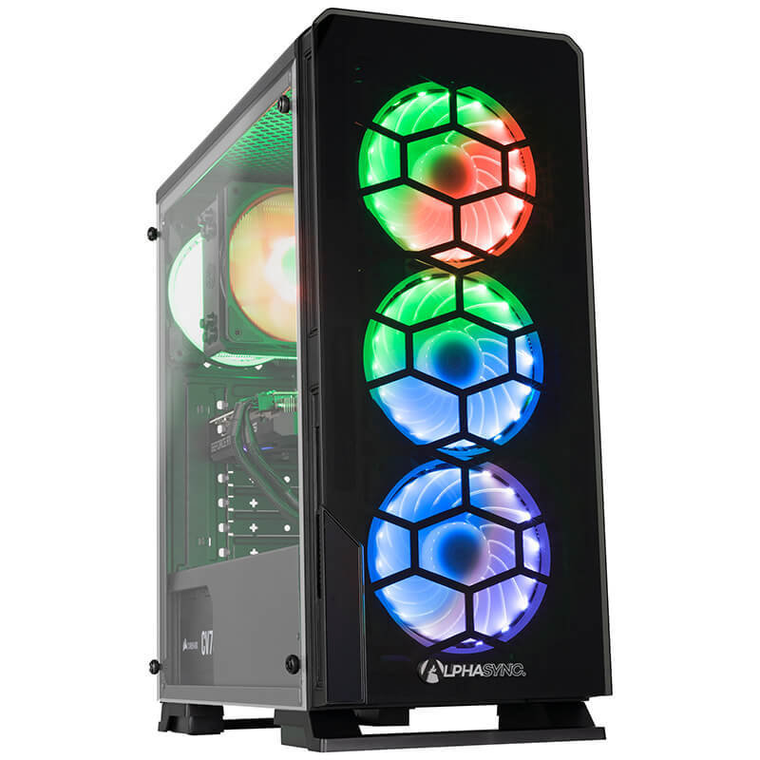 | https://www.ebuyer.com/1538366-alphasync-diamond-3060ti-gaming-pc-amd-ryzen-5-5600x-16gb-ram-1tb-amd-5600x-3060ti-core-v2-q3 | £1,049.99 | Processor: AMD Ryzen 5 5600X (6 Cores up to 4.6GHz, 32MB Cache) Memory: 16GB Corsair Vengeance LPX 3200MHz (2x8GB) Hard Drive: 1TB Samsung 980 PCIe NVMe M.2 SSD - Gen3 & GPU: ASUS NVIDIA GeForce RTX 3060Ti * Power Supply: Corsair CV750 750W Power Supply Motherboard: ASUS PRIME B550M-K (Ryzen AM4) micro ATX motherboard Cooling: Coolermaster Hyper 212 RGB WiFi: WIFI - AC1200 Operating System: Windows 11 Home Advanced Case: Diamond | This gaming pc is designed for people who that little bit extra gaming performance. Equiped with an RTX 3060Ti, it can hadle any game on the highest setting at 1080p and 1440p. The motherboard alos includes a WiFi card, which means you wont have to connect an ethernet cable if you don't want to. | AMD Ryzen 5 5600X 3.7GHz 16GB RAM,Samsung 1TB M.2 NVMe SSD Asus NVIDIA GeForce RTX 3060 Ti | Same as Link
AlphaSync PBA iCUE 7000X RTX 3090 AMD Ryzen 9 5950X 3.4GHz 64GB 2TB SSD, 1TB SSD Gaming Desktop PC | 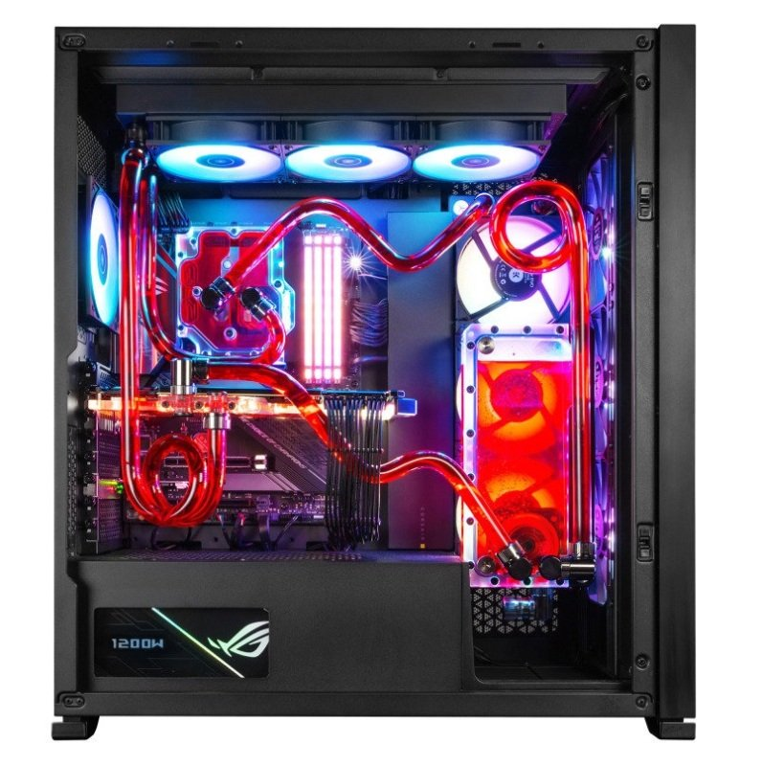 | https://www.ebuyer.com/1417682-alphasync-pba-icue-7000x-rtx-3090-amd-ryzen-9-5950x-3-4ghz-as-d6487 | £4,976.68 | Processor: AMD Ryzen 9 5950X (16 Cores up to 4.9GHz, 64MB Cache) Memory: 64GB Corsair Vengeance RGB Pro 3600MHz (4x16GB) Hard Drive: Samsung 970 EVO Plus V-NAND M.2 2TB SSD, Samsung 980 PRO V-NAND M.2 1TB & None GPU: Asus GeForce RTX 3090 24GB ROG STRIX OC * Power Supply: Asus 1200W ROG THOR Motherboard: ASUS ROG STRIX X570-F GAMING Cooling: Custom watercooled loop WiFi: ADD-XWP3000E1 AX Wifi PCI-E Card Wifi 6 Operating System: Windows 11 Home Case: Corsair iCUE 7000X RGB Tempered Glass Black | For you high end gamers out there that just want the very best pc gaming has to offer, this pc is exactly what you're looking for. It features the amazing RTX 3090, pushing gaming visuals to the next level, due to it focussing on 4k, high framerate gaming. Along with the very best specs, it also features a place to store all of your games with a 2TB NAND M.2 SSD. This storage will lead to fast boot times for your operating system and really quick load times when it omes to games. | AMD Ryzen 9 5950X 4.9GHz 64GB RAM,Samsung 2TB,Samsung NAND M.2 1TB Asus GeForce RTX 3090 24GB ROG STRIX OC | Same as Link

Non-Gaming Desktops | Image | Link | Price | Specs | Description | Mini-Description | Manufacturer Link
Acer Aspire XC-840 Desktop PC Intel Pentium N6005, 4GB RAM, 1TB HDD, USB Keyboard and Mouse, Windows 11 Home | 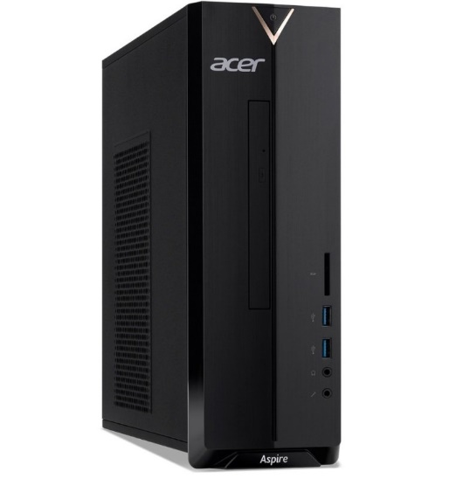 | https://www.ebuyer.com/1422212-acer-aspire-xc-840-desktop-pc-intel-pentium-n6005-4gb-ram-1tb-hdd-dt-bh4ek-002 | £329.99 | Processor: AMD Ryzen 5 3600 (6 Cores up to 4.2GHz, 32MB Cache) Memory: 8GB Corsair Vengeance LPX 3200MHz Hard Drive: Samsung 980 500GB PCIe 3.0 NVMe M.2 Internal SSD & GPU: NVIDIA GeForce RTX 3060 * Power Supply: Corsair TX550m Motherboard: MSI B550M PRO-VDH WIFI Motherboard Cooling: AMD Wraith Prism RGB LED 75E WiFi: None Operating System: No OS Case: Onyx | The Acer Aspire XC-840 desktop has all the horsepower you require for routine work and comes in a small package. The XC-840's quick Intel Pentium Silver CPU makes it simple to do a variety of tasks, including word processing, spreadsheets, web surfing, and even movie watching. Additionally, the 4GB of RAM guarantees that you may multitask without experiencing lagging or other problems. A 1TB HDD is also included, giving you plenty of space for all of your programmes, documents, and media. In order to provide you with the finest performance, the newest design, and seamless integration of services like Microsoft 365 and Microsoft Teams, the XC-840 comes with Windows 11 pre-installed. The result is the finest Windows experience ever for you. The | Intel Pentium N6005 2.0 GHz 4GB RAM, 1TB HDD WiFi, Intel UHD
Lenovo ThinkCentre Neo 30A AIO Desktop PC, Intel Core i5-1240P 3.3GHz, 8GB RAM, 256GB SSD, 23.8" Full HD Display, Intel Iris Xe, WIFI, Bluetooth, Windows 11 Pro | 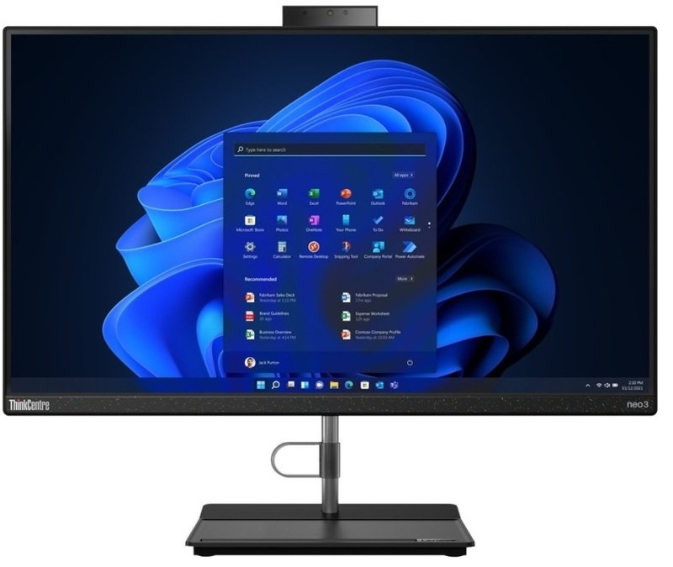 | https://www.ebuyer.com/1421936-lenovo-thinkcentre-neo-30a-aio-desktop-pc-intel-core-i5-1240p-3-3ghz-8gb-12b00027uk | £659.00 | Camera Resolution (MP) 5 Megapixel Resolution 720p Features LED indicator, privacy shutter Camera Yes Input Device Type Mouse, keyboard Keyboard Keyboard Name Lenovo Calliope Keyboard Interface USB Localization & Layout UK Mouse Mouse Name Lenovo Calliope Mouse Interface USB Audio Input Type Dual array microphone Networking Ethernet Controller Realtek RTL8111H Wireless LAN Supported Yes Wireless NIC Intel Wi-Fi 6 AX 201 Data Link Protocol Ethernet, Fast Ethernet, Gigabit Ethernet, IEEE 802.11b, IEEE 802.11a, IEEE 802.11g, IEEE 802.11n, IEEE 802.11ac, IEEE 802.11ax (Wi-Fi 6), Bluetooth 5.2 Features Dual stream (2x2) Expansion / Connectivity Bays 1 (total) / 1 (free) x internal 2.5" Slots 1 (total) / 0 (free) x M.2 Card (for WLAN) ¦ 1 (total) / 0 (free) x M.2 Card (for SSD) Interfaces 2 x USB 2.0 ¦ 2 x USB 3.2 Gen 2 ¦ 1 x HDMI output ¦ 1 x LAN (Gigabit Ethernet) ¦ 1 x headphones/microphone (1 bottom) Miscellaneous Theft/Intrusion Protection Security lock slot (cable lock sold separately) Security Slot Type Kensington security slot Compliant Standards RoHS, WEEE, REACH, TUV Rheinland Low Blue Light Certification, Energy-Related Products (ErP) Lot 3, TUV Rheinland Flicker Free Certification, Energy-Related Products (ErP) Lot 7, TUV Rheinland Low Noise Certification Manufacturer Selling Program TopSeller Power Device Type Power adapter Voltage Required AC 100-240 V (50/60 Hz) Power Provided 90 Watt Efficiency 89% Operating System / Software OS Provided Windows 11 Pro English Environmental Standards EPEAT Compliant EPEAT Silver ENERGY STAR Certified Yes ENERGY STAR Version 8.0 Manufacturer Warranty Service & Support Base warranty - 1 year - on-site ¦ Extended warranty - 3 years - on-site Dimensions & Weight Dimensions & Weight Details 54.1 cm - 22 cm - 48.044 cm - 6.6 kg - with stand (highest position) ¦ 54.1 cm - 22 cm - 38.044 cm - 6.6 kg - with stand (lowest position) Width 54.1 cm Depth 22 cm Height 38.044 cm Weight 6.6 | The ThinkCentre Neo 30a (24" Intel) All-in-One, which combines the most recent 12th Gen Intel Core processors with integrated graphics and cutting-edge memory, is incredibly powerful and responsive. This little PC quickly completes tasks including multitasking, dataset processing, and code debugging. Versatility and reliability are features of the ThinkCentre Neo 30a's design. For all of your PC accessories, it offers a variety of ports, including USB 3.2, and a Smart Cable Clip to combat theft. | Intel Core i5-1240P 3.3GHz 8GB RAM, 256GB SSD 23.8" Full HD Display WIFI, Bluetooth
Apple iMac Retina 5K Display 27" Intel Core i5 10th Gen 8GB RAM 512GB SSD Radeon Pro 5300 AIO |  | https://www.ebuyer.com/992508-apple-imac-retina-5k-display-27-intel-core-i5-10th-gen-8gb-mxwu2b-a | £1,909.98 | Monitor Bezel Type Flat front Monitor Type LED Diagonal Size 27" Native Resolution 5120 x 2880 (5K) Widescreen Display Yes Image Brightness 500 cd/m² Monitor Features LED-backlit, Wide Colour Gamut, arsenic free, True Tone technology, standard glass Power Nominal Voltage AC 120/230 V (50/60 Hz) Device Type Power supply Voltage Required AC 100-240 V (50/60 Hz) Processor / Chipset CPU Intel Core i5 (10th Gen) Clock Speed 3.3 GHz Max Turbo Speed 4.8 GHz Number of Cores 6-core CPU Qty 1 Max CPU Qty 1 Processor Main Features Intel Turbo Boost Technology Networking Compliant Standards IEEE 802.11b, IEEE 802.11a, IEEE 802.11g, IEEE 802.11n, IEEE 802.11ac, Bluetooth 5.0 Wireless LAN Supported Yes Data Link Protocol Ethernet, Fast Ethernet, Gigabit Ethernet, IEEE 802.11b, IEEE 802.11a, IEEE 802.11g, IEEE 802.11n, IEEE 802.11ac, Bluetooth 5.0 General Built-in Devices Microphone, stereo speakers Localisation Language: English / region: United Kingdom Type Personal computer Product Form Factor All-in-one RAM Installed Size 8 GB Technology DDR4 SDRAM Effective Memory Speed 2666 MHz Form Factor SO-DIMM 260-pin Slots 4 (Total) / 2 (empty) Configuration Features 2 x 4 GB Hard Drive Type SSD Capacity 1 x 512 GB Optical Storage Type No optical drive Card Reader Type Card reader Supported Flash Memory Cards SD Memory Card, SDHC UHS-II Memory Card, SDXC UHS-II Memory Card Graphics Controller Graphics Processor AMD Radeon Pro 5300 Video Memory 4 GB GDDR6 SDRAM Video Interfaces USB-C Audio Output Sound Output Mode Stereo Speakers Included 2 x right / left channel Camera Camera Yes Resolution 1080p Features FaceTime HD camera Input Device Type Mouse, keyboard Keyboard Keyboard Name Apple Magic Keyboard Connectivity Wireless Interface Bluetooth Localization & Layout UK Mouse Mouse Name Apple Magic Mouse 2 Connectivity Wireless Technology Laser Interface Bluetooth Features Multi-Touch Audio Input Type 3-microphone array E | On this iMac's Retina display, with its one billion colours and 500 nits of brightness, everything appears better. Graphics and images pop off the screen, while also have sharp text throughout . Additionally, the 27-inch iMac is the first to use True Tone technology for a more natural viewing experience to drastically cut down on glare. The iMac is a communications and content powerhouse, offering incredibly clear audio and video calls as well as movies and music that fill the room. A studio-grade three-mic array and a 1080p FaceTime HD camera are now included with the 27-inch iMac. Additionally, the T2 processor works with the speakers to allow customizable EQ, improved bass response, and large, well-balanced high-fidelity sound for all of your entertainment. | Intel Core i5 10th Gen 8GB RAM + 512GB SSD 27" 5K Retina Display AMD Radeon Pro 5300 4GB

Mice | Image | Link | Price | Specs | Description | Mini-Description | Manufacturer Link
Xenta Black Wired Optical Scroll Mouse - USB |  | https://www.ebuyer.com/205162-xenta-black-wired-optical-scroll-mouse-usb-hm-3010 | £4.98 | High precision laser technology Symmetric design Rubberised scroll wheel Suitable for left & right hand users Plug & Play technology Resolution: 1000 DPI Button: 2 + 1 (scroll wheel) USB interface 1.5m Cable Dimensions: 115 x 55 x 38mm Weight: 88g Compatibility: Windows XP / Vista / 7 / 8 / 10 | All users will find this high precision mouse to be the ideal tool, whether they are using it at home, at school, or simply for multimedia fun. It is superb value. The mouse's full size and attractive design minimise aches and strains, allowing for comfortable use throughout lengthy computing sessions. The mouse is perfect as a daily tool, an emergency backup, or a more versatile alternative to your laptop's touchpad because it can be used by both left- and right-handed people. It's simple to set up and operate this mouse. The 1.5-meter cable on this mouse makes it a true plug-and-play gadget. You only need to insert the cable into the computer's USB port to get started. | Full size, 3 button mouse with scroll wheel USB-A connection, Windows, Mac compatible Black, with black scroll wheel Dimensions 121 x 63 x 37mm | https://xenta.co.uk/computing/keyboards-mice/xenta-black-wired-3-button-optical-scroll-mouse-usb/
Logitech M705 Wireless Mouse Black | 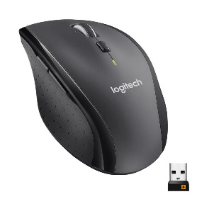 | https://www.ebuyer.com/225369-logitech-m705-wireless-mouse-black-910-001949 | £43.95 | •Three-year battery life** Battery life may vary depending on your use. • Hyper-fast scrolling • Designed for control • Logitech Unifying receiver • Laser tracking • Mouse • Logitech Unifying receiver • 2 AA batteries | The capability to go up to three years between battery changes allows you to save time, money, and the environment. When the battery is low on this wireless mouse, an indicator light lets you know. With a single spin, you may quickly navigate through documents and Web pages. You can navigate lists, presentations, and photos with the accuracy you need when using click-to-click scrolling. Want to instantly navigate from one Web page to another? With the Forward/Backward buttons, you'll save a lot of time. | Hyper-fast scrolling Designed for control Logitech Unifying receiver Laser tracking | https://www.logitech.com/en-gb/products/mice/m705-wireless-mouse.910-001949.html
Razer DeathAdder V3 Pro Wireless Gaming Mouse, White |  | https://www.ebuyer.com/1537107-razer-deathadder-v3-pro-wireless-gaming-mouse-white-rz01-04630200-r3g1 | £149.99 | With the Razer DeathAdder V3 Pro, victory takes on a new shape. Refined and reforged with the aid of top esports pros, its iconic ergonomic form is now 32% lighter than its predecessor, backed by a set of cutting-edge upgrades to push the limits of competitive play. 60g Ultra-lightweight Design - No deadweight Made 32% lighter than the Razer DeathAdder V2 Pro, enjoy a level of speed and control favoured by the world's top players with one of the lightest ergonomic esports mice ever created. Refined Ergonomic Form Optimized for unrivalled handling and comfort Developed in partnership with top esports pros, the iconic shape of the Razer DeathAdder has been further improved to continue its legacy of award-winning handling and comfort. Razer™ Focus Pro 30K Optical Sensor Best-in-class precision Razer's brand-new sensor provides flawless tracking performance on a wider variety of surfaces including glass-supported by intelligent functions for enhanced aim and control. Razer™ Optical Mouse Switches Gen-3 From an improved 90-million click lifecycle with zero double-clicking issues, to a blistering 0.2ms actuation with no debounce delay, the mouse has the reliability and speed built for esport Razer™ HyperSpeed Wireless With a connection 25% faster than any other wireless tech available, enjoy high-performance, low-latency competitive play that remains smooth and stable even in noisy wireless environments. Up To 80 Hours of Battery Life With a smaller, lighter battery that boasts greater power efficiency, this wireless ergonomic esports mouse can run for up to 80 hours of continuous play and is rechargeable via USB-C. | The Razer DeathAdder V3 Pro has a classic ergonomic design that has been improved and reforged with the help of top esports professionals, and it is now 32% lighter than its predecessor thanks to a number of cutting-edge advancements that will push the boundaries of competitive gaming. Enjoy a level of speed and control sought by the top players in the world with one of the lightest ergonomic esports mice ever made. This wireless ergonomic esports mouse can operate for up to 80 hours of continuous play and is rechargeable through USB-C. It has a smaller, lighter battery with higher power efficiency. | Ultra-Lightweight Design Razer Focus Pro 30K Optical Sensor Razer Optical Switches Razer HyperSpeed Wireless Rechargeable Battery | https://www.razer.com/gaming-mice/Razer-DeathAdder-V3-Pro/RZ01-04630200-R3U1

Keyboards | Image | Link | Price | Specs | Description | Mini-Description | Manufacturer Link
Microsoft Wired Keyboard 600 Black - USB | 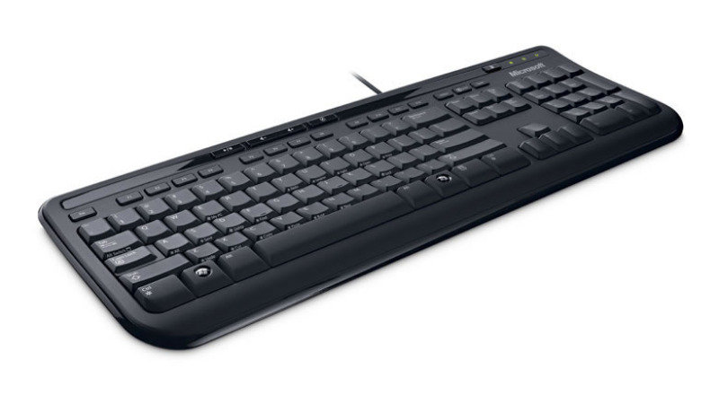 | https://www.ebuyer.com/160332-microsoft-wired-keyboard-600-black-usb-anb-00006 | £10.98 | General Localisation English - United Kingdom Device Type Keyboard Interface USB Input Device Layout English - United Kingdom Localization and Layout UK Hot Keys Function Multimedia, calculator, volume, mute Features Spillproof Width 45.6 cm Depth 16 cm Miscellaneous Colour Black Cables Included 1 x USB cable Compatible with Windows 7 "Compatible with Windows 7" software and devices carry Microsoft's assurance that these products have passed tests for compatibility and reliability with 32-bit and 64-bit Windows 7. Software & System Requirements OS Required Microsoft Windows XP SP2, Microsoft Windows Vista, Apple MacOS X 10.2 - 10.5 | This Microsoft keyboard offers unbeatable value, while also being truly reliable.Quiet touch keys and quick access to media controls simplify how you use your computer. The keyboard comes in a slim, lightweight profile, not taking a lot space on your desk. | Quiet Responsive Thin profile keys Media hotkeys | https://www.microsoft.com/en/accessories/products/keyboards/wired-keyboard-600?activetab=pivot:overviewtab
Cherry Stream Wireless Keyboard, Black | 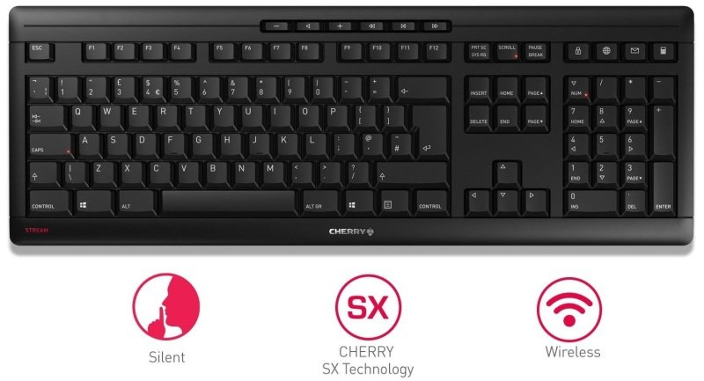 | https://www.ebuyer.com/1412288-cherry-stream-wireless-keyboard-black-jk-8550gb-2 | £41.61 | General Device Type Keyboard Interface 2.4 GHz Max Operating Distance Up to 10 m Wireless Receiver Nano USB wireless receiver Input Device Type Wireless Keys Qty 105 Hot Keys Qty 10 Hot Keys Function Calculator, e-mail, volume, browser, lock computer, play/pause, previous track, next track, volume -, volume + Localization and Layout QWERTY UK Keyboard Technology Scissors Key Switch Type CHERRY SX Adjustable Height Yes Features Numeric keypad Width 46.22 cm Depth 16.22 cm Height 2.31 cm Weight 920 g Miscellaneous Colour Black Compliant Standards WHQL, AES-128, VDE GS, China RoHS, cRUus MTBF 80,000 hours Key Life Span 20 million clicks Software & System Requirements OS Required Microsoft Windows 7 / 8 / 10 Battery Type AA type Installed Qty 2 Required Qty 2 Run Time (Up To) 36 months Dimensions & Weight (Shipping) Shipping Width 47.8 cm Shipping Depth 20.3 cm Shipping Height 2.5 cm Shipping Weight 1.074 kg | This Cherry Stream keyboard has the benefit of being wireless. Whether you want to relax and do some workvon the sofa or stay at your desk, this keyboard provides that flexibility. It offers a full size layout with multimedia keys, maiing it easy to perform certain actions. | 2.4ghz Wireless Keyboard Whisper-quiet Cherry SX Scissor Keys Full-size layout with multimedia keys | https://www.cherry.co.uk/cherry-stream-keyboard-wireless.html
Logitech G G815 RGB Tactile Mechanical Gaming Keyboard,Advanced Low-Profile Mechanical | 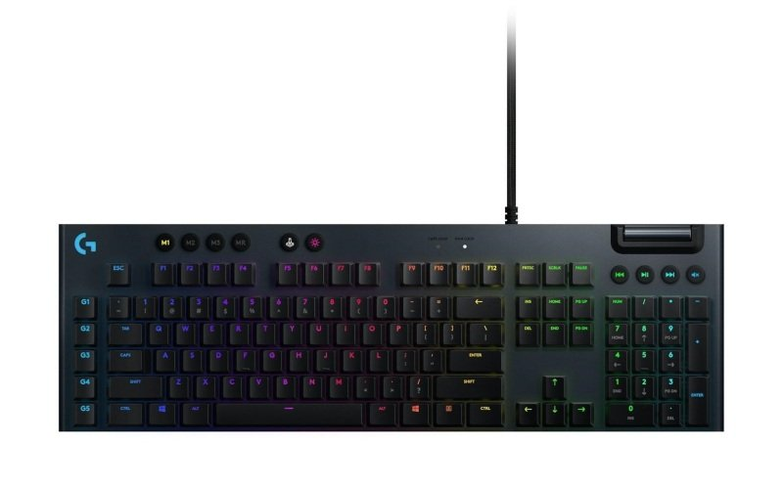 | https://www.ebuyer.com/1124469-logitech-g-g815-rgb-tactile-mechanical-gaming-keyboard-advanced-low-profile-mechanical-920-008990 | £265.37 | General Device Type Keyboard Backlit RGB / 16.8 million colours Interface USB Input Device Hot Keys Function Multimedia, programmable, volume, macros buttons, G-Key Localization and Layout QWERTY UK Keyboard Technology Mechanical Key Switch Type GL Tactile Gaming Yes Detachable Cable Yes Width 47.5 cm Depth 15 cm Height 2.2 cm Weight 1.045 kg Expansion / Connectivity Interfaces 2 x USB Miscellaneous Colour Black Cable Length 1.8 m Software & System Requirements OS Required Microsoft Windows 7 or later, Apple MacOS 10.11 or later | Innovative gaming technology in an elegant, ultra-thin design. Fully programmable, LIGHTSYNC RGB-equipped, and G-key-specific. Low-profile GL mechanical switches with clicky and tactile are designed for high-performance gameplay. Discover G815 and play the following dimension. Each key on the G815 may be fully customised with up to 16.8M colours. You can either make your own animations or select from a variety of pre-made effects. For the most immersive RGB experience ever, LIGHTSYNC technology uses games, audio, or your screen to control lighting. Through your keyboard, you may extend your gaming setup and improve gameplay. | Low-Profile mechanical switches Lightsync RGB Programmable G-keys | https://www.logitechg.com/en-gb/products/gaming-keyboards/g815-low-profile-rgb-mechanical-gaming-keyboard.html

Monitors | Image | Link | Price | Specs | Description | Mini-Description | Manufacturer Link
LG 24" Class Full HD IPS LED Monitor | 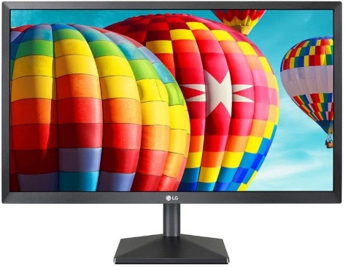 | https://www.ebuyer.com/857309-lg-24-class-full-hd-ips-led-monitor-24mk430h | £99.99 | Mechanical Flat Panel Mount Interface 75 x 75 mm Display Position Adjustments Tilt Tilt Angle -5/+15 VESA Mounting Interface 75 x 75 mm General Native Resolution Full HD (1080p) 1920 x 1080 at 75 Hz Energy Class Class F Power Consumption (On mode) 24 W Display Type LED-backlit LCD monitor / TFT active matrix Energy Consumption per Year 35 kWh Diagonal Size 24" Viewable Size 23.8" Adaptive-Sync Technology AMD FreeSync Panel Type IPS Aspect Ratio 16:9 Pixel Pitch 0.2745 mm Brightness 250 cd/m² Contrast Ratio 1000:1 Colour Support 16.7 million colours Response Time 5 ms Vertical Refresh Rate 48 - 75 Hz Horizontal Refresh Rate 30 - 83 kHz Horizontal Viewing Angle 178 Vertical Viewing Angle 178 Screen Coating Anti-glare Backlight Technology LED backlight Features Game mode, Cinema Mode, Auto Resolution, Mega Dynamic Contrast Ratio, On-screen Digital Controls, Crosshair Display, Flicker Safe, Reader Mode, Smart Energy Saving technology, Black Stabilizer, Response Time Control Colour Matte black Dimensions (WxDxH) 55.5 cm x 18.19 cm x 42.1 cm - with stand Weight 3.1 kg Manufacturer Warranty Service & Support Limited warranty - 2 years Power Power Consumption (On mode) 19.9 W Voltage Required AC 120/230 V Input Voltage AC 120/230 V Power Consumption SDR (On mode) 19.9 kWh/1000h Power Consumption Stand by 0.3 Watt Power Consumption (Off Mode) 0.3 Watt Connectivity Interfaces HDMI (HDCP) ¦ VGA ¦ Headphones Miscellaneous Features Security lock slot (cable lock sold separately) Cables Included 1 x HDMI cable Compliant Standards Plug and Play, FCC Class B certified, UL, TUV, cUL, CCC, DDC/CI, KC, ERP, EPA 7.0 Security Slot Type Kensington security slot Dimensions & Weight Dimensions & Weight Details With stand - width: 55.5 cm - depth: 18.19 cm - height: 42.1 cm - weight: 3.1 kg ¦ Without stand - width: 55.5 cm - depth: 3.84 cm - height: 33.09 cm - weight: 2.8 kg | When playing high-resolution, fast-paced games, AMD FreeSync technology with a dynamic refresh rate of 75Hz practically eliminates screen tearing and stuttering for smooth, fluid motion. You can instantly strike your opponents in Dynamic Action Sync mode without experiencing any display latency. By reducing input lag, it synchronises your senses with real-time visuals in fast-paced games. Even in games where you spend a lot of time in the dark, Black Stabilizer guarantees you complete visual clarity. The darkest parts are matched and brightened so you can spot opponents hiding in the darkness and take them out first. | 1920 x 1080 Full HD D-sub & HDMI 75Hz / 5ms Response Time Panel Type: IPS AMD FreeSync | https://www.lg.com/uk/monitors/lg-24MP58VQ
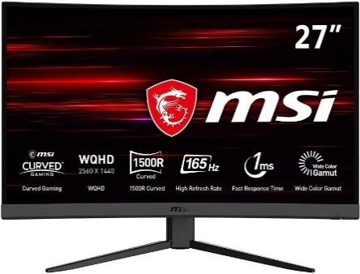 MSI Optix G27CQ4 27" WQHD VA FreeSync 165Hz 1ms Curved Gaming Monitor |  | https://www.ebuyer.com/1140934-msi-optix-g27cq4-27-wqhd-va-freesync-165hz-1ms-curved-gaming-monitor-9s6-3cb01t-016 | £329.99 | General Energy Class Class G Bezel Type Flat front Features Blue light reduction, MSI Anti-Flicker, frameless bezel design, night vision mode Response Time 4 ms (grey-to-grey), 1 ms (MPRT) Display Type LED-backlit LCD monitor / TFT active matrix Energy Consumption per Year 57 kWh Diagonal Size 27" Curved Screen Yes (1500R) Adaptive-Sync Technology AMD FreeSync Panel Type VA Aspect Ratio 16:9 Native Resolution WQHD 2560 x 1440 (DisplayPort: 165 Hz, HDMI: 144 Hz) Pixel Pitch 0.2331 mm Brightness 250 cd/m² Contrast Ratio 3000:1 / 100000000:1 (dynamic) Colour Support 16.7 million colours (8-bit) Colour Gamut 115% sRGB, 92% DCI-P3 Vertical Refresh Rate 48 - 165 Hz Horizontal Refresh Rate 70.56 - 243.37 kHz Gaming Yes Horizontal Viewing Angle 178 Vertical Viewing Angle 178 Screen Coating Anti-glare Backlight Technology LED backlight Colour Black Dimensions (WxDxH) 61.15 cm x 22.54 cm x 45.79 cm - with stand Weight 5.4 kg Power Power Consumption (On mode) 32.2 W Power Consumption Operational 40 Watt Voltage Required AC 120/230 V (50 - 60 Hz) Input Voltage AC 120/230 V (50 - 60 Hz) Power Consumption SDR (On mode) 32.2 kWh/1000h Power Consumption (Typical) 40 Watt Power Consumption Stand by 0.5 Watt Power Consumption (Off Mode) 0.3 Watt Input Type 5-way joystick Connectivity Interfaces DisplayPort ¦ 2 x HDMI ¦ Headphones Mechanical Display Position Adjustments Tilt Tilt Angle -5/+20 VESA Mounting Interface 100 x 100 mm Miscellaneous Features Security lock slot (cable lock sold separately) Cables Included 1 x HDMI cable ¦ 1 x DisplayPort cable Compliant Standards VCCI, BSMI, CB, PSE Mark, MEPS, KC, RCM, MSIP, DisplayPort 1.2a, CE/EMC, K-MEPS, CIE1976 Security Slot Type Kensington security slot Dimensions & Weight Dimensions & Weight Details With stand - width: 61.15 cm - depth: 22.54 cm - height: 45.79 cm - weight: 5.4 kg ¦ Without stand - width: 61.15 cm - depth: 7.59 cm - height: 37.28 cm | The most pleasant and practical curved display panel for a variety of uses, from general computing to gaming, is used in this Optix monitor and has a curvature rate of R1500. Additionally enhancing gameplay immersion and deepening your connection to the whole experience are curved panels. In fast-paced game genres including first-person shooters, racing sims and fighters, this monitor provides a 165Hz refresh rate + 1ms response time VA LED screen. These kinds of games demand extremely quick and accurate movements, thus having a display with an extremely high refresh rate and quick response time will give you an advantage over your competitors. | 2560 x 1440 WQHD HDMI & DisplayPort 165Hz / 1ms Response Time Panel Type: VA AMD Freesync | https://www.msi.com/Monitor/Optix-G27CQ4
LG 32EP950 31.5" Ultra HD OLED 1ms Monitor | 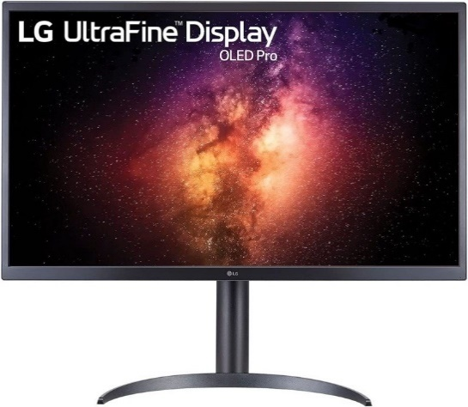 | https://www.ebuyer.com/1415901-lg-32ep950-31-5-ultra-hd-oled-1ms-monitor-32ep950-b-aek | £3,299.99 | General Display Type OLED monitor / OLED Energy Class Class E Energy Class (HDR) Class E Diagonal Size 32" Viewable Size 31.5" Built-in Devices USB 3.0/USB-C hub USB Power Delivery 90 Watt Aspect Ratio 16:9 Native Resolution 4K 3840 x 2160 at 60 Hz Pixel Pitch 0.1818 mm Brightness 250 cd/m² Contrast Ratio 1000000:1 HDR Format HDR10 HDR Certification DisplayHDR 400 True Black Colour Support 1.07 billion colours Colour Gamut 99% Adobe RGB (CIE 1976), 99% DCI-P3 (CIE 1976) Response Time 1 ms (grey-to-grey) Horizontal Viewing Angle 178 Vertical Viewing Angle 178 Screen Coating Anti-glare Features Wide Colour Gamut, Color Calibrated, Hardware Calibration Ready, 10-bit Colour Depth, 8M Pixel Dimming Dimensions (WxDxH) 72.65 cm x 23.93 cm x 50.65 cm - with stand Weight 5.5 kg Connectivity Interfaces HDMI ¦ 2 x DisplayPort 1.4 ¦ USB-C/DisplayPort Alt Mode (power up to 90W) ¦ Headphones ¦ USB 3.0 upstream (Type B) ¦ 3 x USB 3.0 downstream Mechanical Display Position Adjustments Height, pivot (rotation), tilt VESA Mounting Interface 100 x 100 mm Miscellaneous Features Security lock slot (cable lock sold separately) Cables Included 1 x HDMI cable ¦ 1 x DisplayPort cable ¦ 1 x USB-C cable ¦ 1 x USB type A to USB type B cable ¦ 1 x USB-A to USB-C adapter Security Slot Type Kensington security slot Power Input Voltage AC 100-240 V (50/60 Hz) Power Consumption (On mode) 27 W Power Consumption SDR (On mode) 27 kWh/1000h Power Consumption HDR (On mode) 27 kWh/1000h Power Consumption (Typical) 72 Watt Power Consumption (Max) 210 Watt Power Consumption Sleep 0.5 Watt Power Consumption (Off Mode) 0.3 Watt Software / System Requirements Included Software Dual Controller Software, True Color Pro, LG On-Screen Control Dimensions & Weight Dimensions & Weight Details With stand (lowest position) - width: 72.65 cm - depth: 23.93 cm - height: 50.65 cm - weight: 5.5 kg ¦ With stand (highest position) - width: 72.65 cm - depth: 23.93 cm - height: 61. | Perfectly designed with creative people in mind, the LG UltraFineTM OLED Pro's self-light-emitting pixels provide exceptionally accurate image display. Individual pixels are modified by the Pixel Dimming technique to reflect the optimum contrast. Virtually all colours and graphics that the artists or editors intended can be portrayed precisely with a high contrast ratio of 1,000,000:1. The LG UltraFineTM OLED Pro has USB Type-CTM (PD 90W), two DisplayPorts, a HDMI port, and three USB ports, making it compatible with a variety of accessories. | 3840 x 2160 4K UHD HDMI, DisplayPort & USB-C 60Hz / 1ms Response Time Panel Type: VA Height Adjustable | https://www.lg.com/uk/monitors/lg-32ep950-b

